FAI
Customer |  | PO # |  | Date Prepared | 3/11/2026 |  First Article Report
Part Name | Rivet 1 | Samples | 10 | Prepared by: | Meng
Part Number | 66136 | Inch or mm | Inch | Revision
FAI | Type (Diameter Length Position etc.) | Nominal | + Tolerance | - Tolerance | High Limit | Low Limit | Method | Mfg. Sample 1 | Mfg. Sample 2 | Mfg. Sample 3 | Mfg. Sample 4 | Mfg. Sample 5 | Mfg. Sample 6 | Mfg. Sample 7 | Mfg. Sample 8 | Mfg. Sample 9 | Mfg. Sample 10
1 | Length | 3.6250 | 0.0100 | 0.0100 | 3.6350 | 3.6150 | Caliper | 3.6220 | 3.6245 | 3.6255 | 3.6245 | 3.6235 | 3.6245 | 3.6230 | 3.6235 | 3.6225 | 3.6240
2 | Length | 0.0620 | 0.0030 | 0.0030 | 0.0650 | 0.0590 | Caliper | 0.0635 | 0.0620 | 0.0615 | 0.0625 | 0.0645 | 0.0620 | 0.0615 | 0.0625 | 0.0625 | 0.0635
3 | Diameter | 0.1560 | 0.0100 | 0.0100 | 0.1660 | 0.1460 | Micrometer | 0.1563 | 0.1559 | 0.1565 | 0.1557 | 0.1559 | 0.1563 | 0.1569 | 0.1556 | 0.1568 | 0.1563
4a | Diameter | 0.0910 | 0.0005 | 0.0005 | 0.0915 | 0.0905 | Micrometer | 0.09100 | 0.09115 | 0.09130 | 0.09070 | 0.09100 | 0.09145 | 0.09095 | 0.09090 | 0.09085 | 0.09100
4b | Diameter | 0.0910 | 0.0005 | 0.0005 | 0.0915 | 0.0905 | Micrometer | 0.09095 | 0.09145 | 0.09145 | 0.09060 | 0.09065 | 0.09065 | 0.09100 | 0.09095 | 0.09110 | 0.09110
5 | Radius (Fillet) | 0.0050 | 0.0030 | 0.0030 | 0.0080 | 0.0020 | VMM | 0.0067 | 0.0058 | 0.0066 | 0.0078 | 0.0080 | 0.0073 | 0.0074 | 0.0082 | 0.0073 | 0.0078
6 | Length | 0.0150 | 0.0050 | 0.0050 | 0.0200 | 0.0100 | VMM | 0.0148 | 0.0146 | 0.0150 | 0.0140 | 0.0148 | 0.0150 | 0.0148 | 0.0155 | 0.0145 | 0.0154
7a | Length (Chamfer) | 0.0150 | 0.0000 | 0.0030 | 0.0150 | 0.0120 | VMM | 0.0120 | 0.0122 | 0.0125 | 0.0125 | 0.0130 | 0.0130 | 0.0157 | 0.0138 | 0.0163 | 0.0129
7b | Angle (Chamfer) | 45.0000 | 0.0000 | 1.0000 | 45.0000 | 44.0000 | VMM | 45.3017 | 44.6511 | 44.7647 | 45.0296 | 45.3070 | 45.3010 | 45.5037 | 44.6018 | 45.1818 | 46.9916
8 | Angle | 30.0000 |  |  | 30.0000 | 30.0000 | VMM | 29.7759 | 30.0263 | 29.6617 | 30.1986 | 30.6148 | 29.9143 | 29.1369 | 30.3298 | 30.5149 | 29.8499
9 | Length | 0.0450 | 0.0030 | 0.0030 | 0.0480 | 0.0420 | VMM | 0.0450 | 0.0447 | 0.0444 | 0.0435 | 0.0443 | 0.0446 | 0.0454 | 0.0442 | 0.0449 | 0.0454

Print Page 1
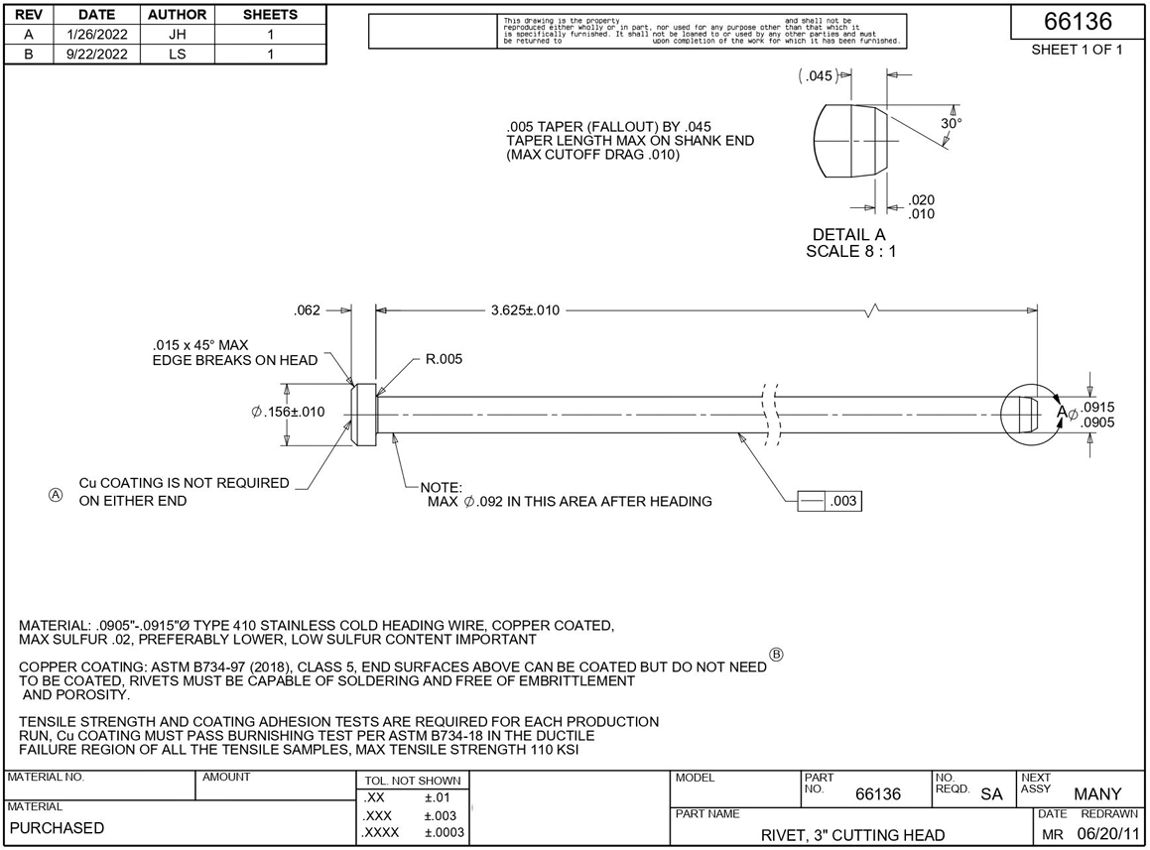

9

8

6

7a
7b
2
1
4a

4b
5

3

Tolerance Table
